SUMMARY
AS ON | 2022-09-22

STYLE # |  | CATEGORY | OZ | GSM | FLEECE HOODIES | TOTAL
ADULT
7.5
270
MID WEIGHT PROMO HOODIE
317
ADULT
7.5
260
MID WEIGHT CLASSIC HOODIE
717
767
ADULT
ADULT
9.3
9.3
315
315
MARLED PREMIUM HOODIE
MARLED VARSITY PREMIUM HOODIE
 |  |  |  |  |  | 267,045
 |  |  |  |  |  | 239,104
 |  |  |  |  |  | 22,922
869
 |  |  |  |  |  | 55
 |  |  |  |  |  | 529,126
STYLE # |  | CATEGORY | OZ | GSM | CREWNECK SWEATSHIRTS
ADULT
8.0
270
MID WEIGHT PROMO CREWNECK
303
ADULT
7.75
260
DELUXE CREWNECK SWEATSHIRTS
903
 |  |  |  |  |  | 32,643
 |  |  |  |  |  | 26,047
 |  |  |  |  |  | 58,690
STYLE # |  | CATEGORY | OZ | GSM | 1/4 ZIP JACKETS
ADULT
9.0
305
DELUXE 1/4 JACKETS (NO POCKETS)
925
945
ADULT
9.3
315
DELUXE 1/4 JACKETS
 |  |  |  |  |  | 653
 |  |  |  |  |  | 284
 |  |  |  |  |  | 937
STYLE # |  | CATEGORY | OZ | GSM | ZIPPER JACKETS
ADULT
9.3
315
HEAVY WEIGHT DELUXE JACKET
750
 |  |  |  |  |  | 4,958
 |  |  |  |  |  | 4,958
STYLE # |  | CATEGORY | OZ | GSM | SWEATPANTS
ADULT
8.0
270
MID WEIGHT PROMO SWEATPANTS
314
724
ADULT
7.7
ADULT
9.3
260
315
MID WEIGHT CLASSIC JOGGER PANTS
MARLED SWEATPANTS
764
 |  |  |  |  |  | 11,557
 |  |  |  |  |  | 11,019
 |  |  |  |  |  | 7,157
 |  |  |  |  |  | 29,733
STYLE # |  | CATEGORY | OZ | GSM | FLEECE HOODIE/ SWEATPANTS
YOUTH
7.5
260
FASHION PULLOVER HOODIE
517
 |  |  |  |  |  | 22,232
 |  |  |  |  |  | 22,232
STYLE # |  | CATEGORY | OZ | GSM | T-SHIRTS

300
ADULT
4.5
150
S/S SIDE SEAMED COMBED TEE
400
LADIES
4.1
145
FITTED SOLID/ HTR CREW TEE
 |  |  |  |  |  | 328,336
 |  |  |  |  |  | 62,949
900
ADULT
4.1
140
L/S SOLID/ HTR TEE
 |  |  |  |  |  | 277,432
901
ADULT
5.0
170
BIG/ TALL TEES
 |  |  |  |  |  | 50,752
990
 |  |  |  |  |  | 12,500
 |  |  |  |  |  | 731,969
STYLE # |  | CATEGORY | OZ | GSM | FACE COVERS
ADULT
-
-
PLAIN FACE COVERS (2 LAYERS)
M1
ADULT
-
-
CENTRE STICHED FACE COVERS
M2
ADULT
-
-
PLAIN FACE COVERS (3 LAYERS)
M3
YOUTH
-
-
PLAIN FACE COVERS
 |  |  |  |  |  | 120,964
 |  |  |  |  |  | 17,179
 |  |  |  |  |  | 23,381
Y1
 |  |  |  |  |  | 58,054
 |  |  |  |  |  | 219,578

317
STYLE | 317

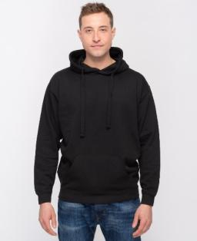
Sum of Quantity On Hand
 | XS | S | M | L | XL | 2XL | 3XL | Grand Total
BEIGE | 120 | - | 1,880 | 1,981 | 1,611 | 1,242 | 473 | 7,307
BLACK | 2,332 | 9,040 | 15,776 | 17,570 | 19,468 | 14,037 | 7,283 | 85,506
FOREST | - | 82 | 56 | - | - | - | - | 138
LIGHT BLUE | 59 | 792 | 780 | 1,113 | 931 | 539 | 212 | 4,426
LIGHT PINK | 20 | 416 | 664 | 828 | 879 | 842 | 474 | 4,123
LIMON | 60 | 682 | 608 | 1,240 | 875 | 311 | 124 | 3,900
MAROON | 320 | 2,295 | 3,072 | 4,001 | 2,830 | 1,684 | 744 | 14,946
MINT | - | 286 | 633 | 1,295 | 1,301 | 874 | 450 | 4,839
NATURAL | 260 | 939 | 1,730 | 2,319 | 1,617 | 669 | 368 | 7,902
NAVY | - | 2,456 | 4,026 | 5,852 | 5,923 | 3,979 | 2,462 | 24,698
RED | 204 | 1,338 | 2,517 | 1,640 | 717 | 608 | 216 | 7,240
ROYAL | 52 | 1,568 | 2,519 | 2,796 | 3,125 | 2,082 | 9,821 | 21,963
WHITE | 40 | 2,428 | 3,503 | 4,660 | 4,440 | 2,388 | 612 | 18,071
CHARCOAL HTR | 1,694 | 2,872 | 2,511 | 3,190 | 2,445 | 1,635 | 1,223 | 15,570
GREY HTR | 528 | 3,262 | 6,097 | 7,904 | 7,809 | 4,795 | 2,907 | 33,302
NAVY HTR | - | 914 | 1,538 | 1,928 | 1,734 | 1,046 | 420 | 7,580
OATMEAL HTR | - | 802 | 1,024 | 1,204 | 1,142 | 920 | 260 | 5,352
GREY HTR - TB | 4 | 136 | 1 | 5 | - | - | 36 | 182
Grand Total | 5,693 | 30,308 | 48,935 | 59,526 | 56,847 | 37,651 | 28,085 | 267,045

717
STYLE | 717

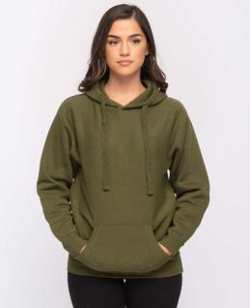
Sum of Quantity On Hand
 | XS | S | M | L | XL | 2XL | 3XL | 4XL | 5XL | Grand Total
BLACK | 375 | 6,192 | 14,688 | 13,699 | 13,987 | 7,643 | 2,127 | 400 | - | 59,111
FOREST | 166 | - | 333 | 120 | 545 | 299 | 265 | - | - | 1,728
GOLD | - | - | 239 | 1,149 | 1,049 | 440 | 188 | - | - | 3,065
LIGHT BLUE | 12 | 71 | 199 | 889 | 973 | 861 | 288 | - | - | 3,293
LIGHT PINK | 44 | 120 | 76 | 396 | 691 | 239 | 36 | - | - | 1,602
MAROON | - | 627 | 473 | 1,163 | 428 | 395 | 313 | - | - | 3,399
MILITARY GREEN | 161 | 457 | 844 | 392 | 646 | 417 | 45 | - | - | 2,962
MINT | 37 | 240 | - | 1,287 | 848 | 400 | 235 | - | - | 3,047
NATURAL | - | 740 | 900 | 818 | 880 | 600 | 120 | - | - | 4,058
NAVY | 34 | 4,114 | 5,025 | 9,211 | 8,606 | 3,080 | 3,217 | 533 | 283 | 34,103
ORANGE | 11 | 74 | 47 | - | 5 | 60 | 172 | - | - | 369
ORCHID | - | 282 | 713 | 894 | 582 | 400 | - | - | - | 2,871
PEACH | 188 | 454 | 771 | 1,539 | 1,083 | 904 | 335 | - | - | 5,274
PURPLE | 264 | 178 | 235 | 791 | 376 | 441 | 55 | 23 | - | 2,363
RED | 199 | 1,334 | 1,756 | 2,820 | 1,980 | 860 | 300 | - | - | 9,249
ROYAL | 65 | 687 | 974 | 917 | 300 | - | 226 | - | - | 3,169
SAGE | - | 480 | - | 578 | 740 | 380 | 140 | - | - | 2,318
SAND | 60 | 607 | 1,616 | 732 | 911 | 300 | 274 | - | - | 4,500
WHITE | 231 | 494 | 1,406 | 2,768 | 1,896 | 1,720 | 820 | - | - | 9,335
YELLOW | 28 | 245 | 576 | 1,028 | 493 | 324 | 132 | - | - | 2,826
CHARCOAL HTR | 247 | 1,783 | 3,570 | 2,791 | 3,810 | 1,446 | 226 | 260 | - | 14,133
GRAPHITE HTR | - | 281 | 345 | 883 | 422 | 530 | 95 | - | - | 2,556
GREEN HTR | 40 | 589 | 848 | 1,507 | 1,268 | 340 | 100 | - | - | 4,692
GREY HTR | 311 | 3,672 | 5,997 | 6,181 | 6,877 | 4,861 | 1,362 | 481 | 166 | 29,908
GUN METAL HTR | 15 | 837 | 739 | 1,409 | 1,231 | 316 | 241 | - | - | 4,788
MAROON HTR | 36 | 646 | 904 | 1,998 | 1,379 | 473 | 262 | - | - | 5,698
NAVY HTR | 49 | 783 | 1,680 | 1,123 | 2,172 | 1,042 | 400 | - | - | 7,249
OATMEAL HTR | 297 | 757 | 1,143 | 1,344 | 1,212 | 810 | 379 | - | - | 5,942
RED HTR | 131 | 294 | 658 | 1,331 | 490 | 443 | 173 | - | - | 3,520
ROYAL HTR | 46 | 186 | 413 | 365 | 346 | 424 | 196 | - | - | 1,976
Grand Total | 3,047 | 27,224 | 47,168 | 60,123 | 56,226 | 30,448 | 12,722 | 1,697 | 449 | 239,104

767
STYLE | 767

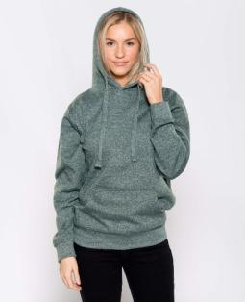
Sum of Quantity On Hand
 | XS | S | M | L | XL | 2XL | 3XL | 4XL | 5XL | Grand Total
MARLED BLACK | 2 | 139 | 205 | 279 | - | - | - | - | - | 625
MARLED CHARCOAL | 30 | 720 | 1,855 | 2,130 | 441 | 595 | 277 | - | - | 6,048
MARLED FOREST | 42 | 262 | 104 | 332 | - | 67 | 209 | 3 | 3 | 1,022
MARLED GRAPHITE | 13 | 320 | 335 | 670 | 472 | 40 | 288 | 4 | - | 2,142
MARLED MAROON | 49 | 130 | 614 | 672 | 595 | 118 | 97 | 19 | 26 | 2,320
MARLED NAVY | 349 | 495 | 437 | 817 | 534 | 311 | 210 | - | - | 3,153
MARLED PURPLE | 62 | 348 | 277 | 606 | 541 | 226 | 116 | 16 | 17 | 2,209
MARLED RED | 44 | 402 | 172 | 826 | 647 | 206 | 45 | - | - | 2,342
MARLED ROYAL | 42 | 204 | 538 | 826 | 756 | 542 | 153 | - | - | 3,061
Grand Total | 633 | 3,020 | 4,537 | 7,158 | 3,986 | 2,105 | 1,395 | 42 | 46 | 22,922

869
STYLE | 869

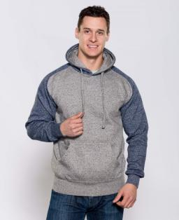
Sum of Quantity On Hand
 | XS | S | M | L | XL | 2XL | 3XL | Grand Total
CHARCOAL/ GRAPHITE HTR | - | 17 | 2 | - | - | - | 20 | 39
GRAPHITE/ MAROON HTR | - | 16 | - | - | - | - | - | 16
Grand Total | - | 33 | 2 | - | - | - | 20 | 55

303
STYLE | 303

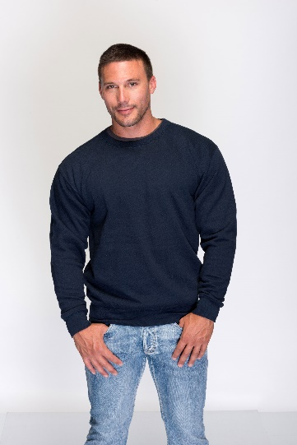
Sum of Quantity On Hand
 | XS | S | M | L | XL | 2XL | 3XL | Grand Total
BLACK | - | 1,549 | 3,392 | 5,114 | 5,431 | 2,962 | 1,019 | 19,467
NAVY | - | - | 6 | 197 | 620 | 381 | 187 | 1,391
CHARCOAL HTR | 353 | 477 | 327 | 840 | 840 | 228 | 714 | 3,779
GREY HTR | - | 561 | 1,138 | 1,751 | 1,942 | 1,264 | 630 | 7,286
GREY HTR - TB | - | 324 | - | 182 | 60 | - | 154 | 720
Grand Total | 353 | 2,911 | 4,863 | 8,084 | 8,893 | 4,835 | 2,704 | 32,643

903
STYLE | 903

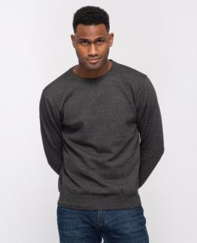
Sum of Quantity On Hand
 | XS | S | M | L | XL | 2XL | 3XL | Grand Total
BLACK | - | 920 | 1,698 | 1,656 | 1,163 | 590 | 40 | 6,067
FOREST | - | - | - | 46 | 276 | 239 | - | 561
LIGHT BLUE | - | 80 | 199 | 520 | 340 | 200 | 60 | 1,399
LIGHT PINK | - | 180 | 420 | 240 | 480 | 80 | 80 | 1,480
MAROON | - | 240 | 560 | 579 | 460 | 280 | 60 | 2,179
MINT | - | - | 194 | 352 | 376 | 158 | 60 | 1,140
NAVY | - | 235 | 120 | 320 | 986 | 690 | 85 | 2,436
ORCHID | - | 140 | 420 | 500 | 340 | - | 20 | 1,420
PURPLE | - | - | - | - | - | 60 | - | 60
RED | - | 4 | 4 | 8 | 5 | 4 | - | 25
SAGE | - | 220 | 320 | 420 | 340 | 200 | 60 | 1,560
SAND | - | 140 | 220 | 380 | 280 | 180 | 20 | 1,220
WHITE | - | 140 | 300 | 300 | 360 | 180 | 60 | 1,340
CHARCOAL HTR | - | 8 | 312 | 4 | 263 | 362 | 100 | 1,049
GREY HTR | - | - | 4 | 8 | 342 | 338 | 180 | 872
OATMEAL HTR | - | 396 | 614 | 732 | 636 | 558 | 100 | 3,036
MARLED MAROON | - | 4 | 15 | 21 | 17 | 18 | 3 | 78
MARLED NAVY | - | 22 | 33 | 37 | 33 | - | - | 125
Grand Total | - | 2,729 | 5,433 | 6,123 | 6,697 | 4,137 | 928 | 26,047

925
STYLE | 925

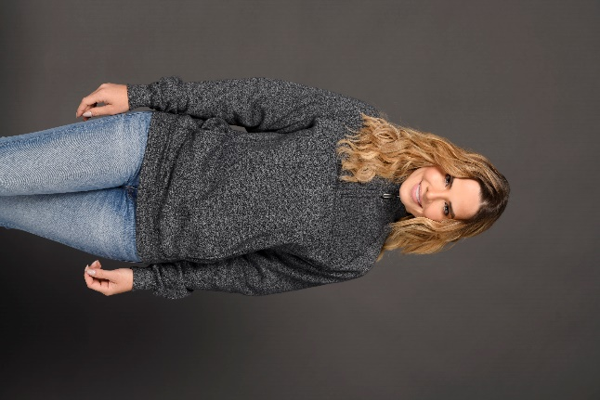
Sum of Quantity On Hand
 | XS | S | M | L | XL | 2XL | 3XL | Grand Total
GREY HTR | - | 80 | 160 | 273 | 40 | 40 | 60 | 653
Grand Total | - | 80 | 160 | 273 | 40 | 40 | 60 | 653

945
STYLE | 945

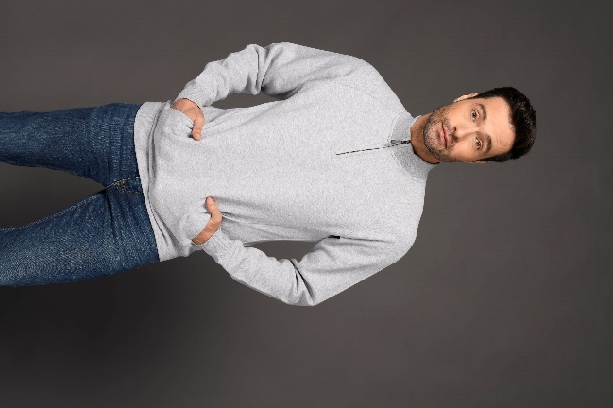
Sum of Quantity On Hand
 | XS | S | M | L | XL | 2XL | 3XL | Grand Total
CHARCOAL HTR | - | 16 | 16 | 36 | 36 | 8 | - | 112
MARLED CHARCOAL | - | - | - | - | 85 | 48 | - | 133
MARLED GRAPHITE | - | - | - | - | 28 | 11 | - | 39
Grand Total | - | 16 | 16 | 36 | 149 | 67 | - | 284

750
STYLE | 750

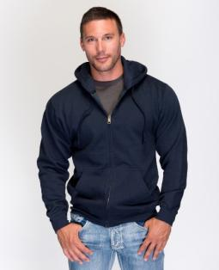
Sum of Quantity On Hand
 | XS | S | M | L | XL | 2XL | 3XL | Grand Total
BLACK | - | 70 | 481 | 280 | 236 | 82 | 40 | 1,189
LIGHT PINK | - | - | 40 | 20 | - | - | - | 60
NAVY | - | 134 | 308 | 391 | 252 | 154 | 22 | 1,261
CHARCOAL HTR | 3 | 77 | 41 | 153 | 11 | - | 16 | 301
GREY HTR | 46 | 457 | 417 | 463 | 511 | 170 | 83 | 2,147
Grand Total | 49 | 738 | 1,287 | 1,307 | 1,010 | 406 | 161 | 4,958

314
STYLE | 314

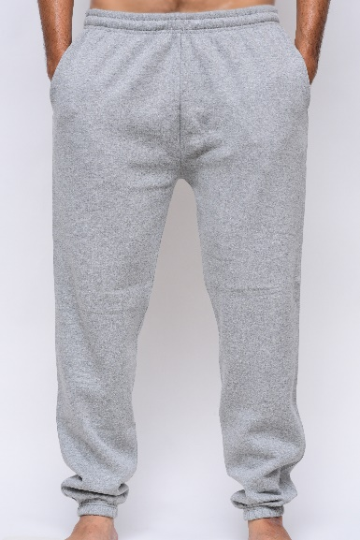
Sum of Quantity On Hand
 | XS | S | M | L | XL | 2XL | 3XL | Grand Total
BLACK | 158 | 670 | 1,068 | 1,618 | 1,033 | 600 | 315 | 5,462
NAVY | 40 | 207 | 255 | 746 | 544 | 489 | 150 | 2,431
CHARCOAL HTR | 100 | 569 | 88 | 479 | 205 | 92 | 170 | 1,703
GREY HTR | 92 | 114 | 108 | 134 | 211 | 972 | 330 | 1,961
Grand Total | 390 | 1,560 | 1,519 | 2,977 | 1,993 | 2,153 | 965 | 11,557

724
STYLE | 724

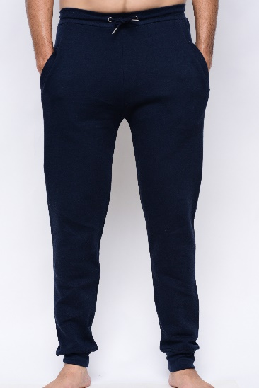
Sum of Quantity On Hand
 | XS | S | M | L | XL | 2XL | 3XL | Grand Total
BLACK | 99 | - | - | 853 | 786 | 411 | 432 | 2,581
NAVY | 28 | 207 | 426 | 1,026 | 855 | 336 | 175 | 3,053
WHITE | - | 200 | 318 | 398 | 380 | 20 | - | 1,316
CHARCOAL HTR | 90 | 181 | - | 93 | 261 | 280 | 220 | 1,125
GREY HTR | 320 | - | 6 | 673 | 827 | 740 | 378 | 2,944
Grand Total | 537 | 588 | 750 | 3,043 | 3,109 | 1,787 | 1,205 | 11,019

764
STYLE | 764

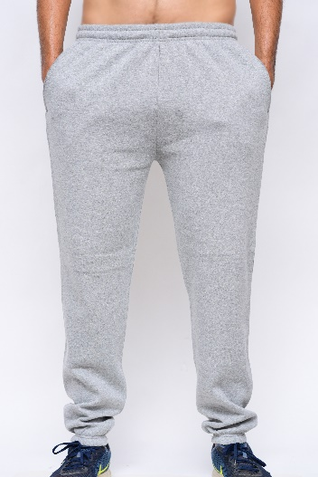
Sum of Quantity On Hand
 | XS | S | M | L | XL | 2XL | 3XL | Grand Total
MARLED CHARCOAL | 132 | 560 | 1,370 | 1,337 | 1,462 | 276 | 376 | 5,513
MARLED GRAPHITE | - | - | - | 993 | 651 | - | - | 1,644
Grand Total | 132 | 560 | 1,370 | 2,330 | 2,113 | 276 | 376 | 7,157

517
STYLE | 517

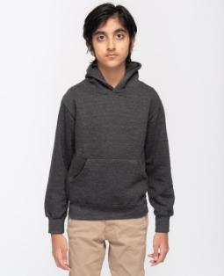
Sum of Quantity On Hand
 | S | M | L | XL | Grand Total
BLACK | 80 | 119 | - | - | 199
FOREST | - | 228 | 268 | - | 496
LIGHT BLUE | 78 | 164 | 154 | 78 | 474
LIGHT PINK | 236 | 660 | 672 | 285 | 1,853
MAROON | 5 | 22 | 142 | - | 169
MINT | 39 | 497 | 191 | 139 | 866
NAVY | 249 | 357 | 421 | 27 | 1,054
ORCHID | 4 | 24 | 12 | - | 40
PEACH | 244 | 562 | 547 | 330 | 1,683
PINK | 300 | 117 | - | 320 | 737
PURPLE | 5 | 237 | 385 | - | 627
RED | 330 | 689 | 867 | 171 | 2,057
ROYAL | 359 | 1,354 | 1,357 | 472 | 3,542
WHITE | 599 | 1,298 | 1,238 | 608 | 3,743
YELLOW | 146 | 519 | 428 | 122 | 1,215
CHARCOAL HTR | - | 575 | 600 | 194 | 1,369
GREY HTR | 67 | 802 | 848 | 391 | 2,108
Grand Total | 2,741 | 8,224 | 8,130 | 3,137 | 22,232

300
STYLE | 300

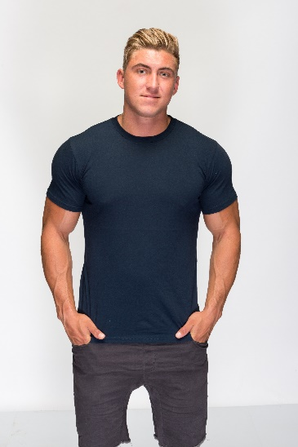
Sum of Quantity On Hand
 | XS | S | M | L | XL | 2XL | 3XL | Grand Total
BLACK | 377 | 4,646 | 14,315 | 22,238 | 17,528 | 9,842 | 4,620 | 73,566
LIGHT BLUE | - | 1,400 | 3,396 | 7,300 | 4,395 | 2,447 | 1,250 | 20,188
LIGHT PINK | - | 501 | 52 | 1,739 | 1,813 | 2,215 | 1,032 | 7,352
MAROON | 150 | 2,899 | 3,146 | 4,292 | 2,440 | 2,997 | 1,400 | 17,324
MINT | 50 | 1,646 | 3,605 | 3,543 | 3,682 | 3,098 | 1,520 | 17,144
NATURAL | - | 625 | 322 | 757 | 34 | 140 | 800 | 2,678
NAVY | 70 | 2,891 | 6,328 | 7,903 | 12,000 | 4,620 | 1,753 | 35,565
OLIVE | - | 402 | 799 | 1,746 | 1,243 | 894 | 399 | 5,483
PURPLE | - | 493 | 673 | 1,432 | 2,038 | 1,369 | 420 | 6,425
RED | 58 | 3,003 | 5,205 | 6,093 | 2,536 | 3,790 | 1,827 | 22,512
ROYAL | - | 1,744 | 2,794 | 3,359 | 3,572 | 2,068 | 1,601 | 15,138
WHITE | 48 | 3,543 | 7,473 | 11,990 | 9,950 | 8,063 | 3,680 | 44,747
CHARCOAL HTR | 200 | 2,247 | 3,786 | 5,774 | 964 | 2,093 | 1,026 | 16,090
GRAPHITE HTR | - | 100 | 23 | 513 | 57 | 183 | - | 876
GREY HTR | 45 | 2,861 | 3,533 | 7,295 | 5,733 | 3,054 | 1,284 | 23,805
MAROON HTR | - | 71 | 912 | 51 | 17 | 616 | - | 1,667
NAVY HTR | 50 | 1,557 | 390 | 609 | - | 508 | 163 | 3,277
RED HTR | - | 41 | 516 | 1,049 | 2,608 | 125 | 498 | 4,837
ROYAL HTR | 52 | 1,685 | 2,159 | 2,539 | 1,389 | 1,096 | 742 | 9,662
Grand Total | 1,100 | 32,355 | 59,427 | 90,222 | 71,999 | 49,218 | 24,015 | 328,336

400
STYLE | 400

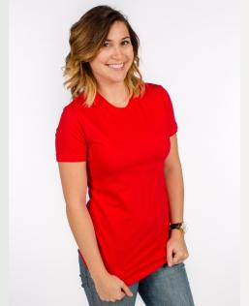
Sum of Quantity On Hand
 | XS | S | M | L | XL | 2XL | 3XL | Grand Total
BLACK | 118 | 73 | 71 | - | - | - | - | 262
CHARCOAL | 66 | 3 | - | - | 37 | 2 | 154 | 262
HOT PINK | 66 | - | - | - | - | 360 | - | 426
KELLY GREEN | 23 | 8 | 671 | 725 | - | 87 | 98 | 1,612
NAVY | 5 | - | - | 10 | - | - | 114 | 129
RED | - | - | - | - | - | - | 23 | 23
ROYAL | 321 | - | - | - | - | 104 | 119 | 544
TURQUOISE | - | - | - | - | 376 | - | - | 376
WHITE | - | 59 | 127 | - | 57 | 1,304 | - | 1,547
CHARCOAL HTR | 550 | - | 158 | - | 9 | 1,517 | 750 | 2,984
GREY HTR | 32 | - | 1 | - | - | 197 | 70 | 300
KELLY HTR | 186 | 296 | - | - | 35 | - | 190 | 707
NAVY HTR | 1 | - | 3 | 488 | 22 | 30 | 37 | 581
PURPLE HTR | - | 23 | - | - | - | - | - | 23
RED HTR | 54 | 4,399 | 12,907 | 11,152 | 4,312 | 1,499 | 172 | 34,495
ROYAL HTR | - | 3,345 | 2,812 | 3,419 | 1,821 | - | 182 | 11,579
TURQUOISE HTR | 59 | 1,679 | 2,199 | 858 | 743 | 206 | 19 | 5,763
LIGHT BLUE - 480 | - | - | 17 | - | - | 2 | - | 19
GREY HTR - 480 | 6 | - | 117 | 11 | 5 | 8 | - | 147
NAVY - 480 | 223 | - | 254 | 379 | 222 | - | - | 1,078
WHITE - 480 | 65 | 21 | - | - | 6 | - | - | 92
Grand Total | 1,775 | 9,906 | 19,337 | 17,042 | 7,645 | 5,316 | 1,928 | 62,949

900
STYLE | 900

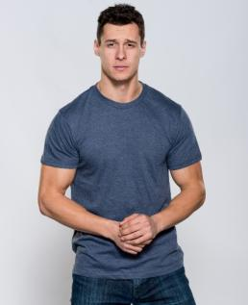
Sum of Quantity On Hand
 | XS | S | M | L | XL | 2XL | 3XL | Grand Total
BLACK | - | 8,522 | 17,975 | 20,179 | 18,777 | 10,374 | 5,916 | 81,743
NAVY | - | 2,306 | 1,478 | 5,494 | 2,449 | 2,101 | 744 | 14,572
RED | - | 1,350 | 1,300 | 2,005 | 2,000 | 2,246 | 572 | 9,473
WHITE | 45 | 2,134 | 9,029 | 22,638 | 17,562 | 11,645 | 4,905 | 67,958
BLACK HTR | - | - | - | 50 | - | - | - | 50
CHARCOAL HTR | 101 | 4,013 | 6,523 | 10,941 | 5,844 | 4,880 | 2,702 | 35,004
GRAPHITE HTR | - | - | 101 | 49 | 100 | - | 2 | 252
GREY HTR | 178 | 6,659 | 9,605 | 11,797 | 11,528 | 6,400 | 3,101 | 49,268
KELLY HTR | 50 | 126 | 97 | 11 | 13 | 79 | - | 376
LIGHT BLUE HTR | - | - | - | - | - | 96 | - | 96
MAROON HTR | - | 20 | 18 | 13 | 17 | 105 | - | 173
NAVY HTR | 535 | 514 | 1,438 | 3,588 | 895 | 517 | 2,091 | 9,578
RED HTR | - | 500 | 1,550 | 2,150 | 1,450 | 1,044 | 450 | 7,144
ROYAL HTR | - | 1,196 | 399 | 56 | 54 | 20 | 20 | 1,745
Grand Total | 909 | 27,340 | 49,513 | 78,971 | 60,689 | 39,507 | 20,503 | 277,432

901
STYLE | 901

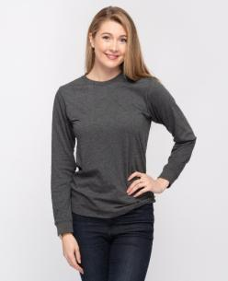
Sum of Quantity On Hand
 | XS | S | M | L | XL | 2XL | 3XL | Grand Total
BLACK | 100 | - | 4,612 | 8,940 | 54 | 2,222 | 820 | 16,748
NAVY | - | 54 | 122 | 68 | - | - | 28 | 272
RED | - | - | - | 196 | 240 | - | - | 436
ROYAL | - | 514 | 239 | 327 | 275 | 142 | 187 | 1,684
WHITE | - | 2,802 | 3,621 | 6,585 | 3,923 | 2,404 | 484 | 19,819
BURGUNDY HTR | - | - | - | 6 | 6 | - | - | 12
CHARCOAL HTR | - | 8 | 2 | 34 | 362 | 3,121 | 1,439 | 4,966
GRAPHITE HTR | - | 11 | 50 | - | 28 | 7 | 3 | 99
GREY HTR | 50 | 377 | 378 | 352 | 388 | 463 | 176 | 2,184
NAVY HTR | - | - | - | - | 12 | 1,009 | 176 | 1,197
RED HTR | - | - | 29 | 173 | 214 | 7 | - | 423
RED HTR NEW | - | - | - | 101 | 2 | - | 3 | 106
ROYAL HTR | - | 20 | 192 | 97 | 581 | 1,373 | 364 | 2,627
ROYAL HTR DARK | - | 23 | 94 | 58 | - | 3 | 1 | 179
Grand Total | 150 | 3,809 | 9,339 | 16,937 | 6,085 | 10,751 | 3,681 | 50,752

M1
STYLE | M1

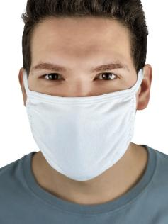
Sum of Quantity On Hand
 | L | Grand Total
BLACK | 10,350 | 10,350
NAVY | 27,958 | 27,958
WHITE | 27,265 | 27,265
GREY HTR | 55,391 | 55,391
Grand Total | 120,964 | 120,964

M2
STYLE | M2

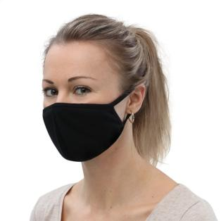
Sum of Quantity On Hand
 | L | Grand Total
WHITE | 8,759 | 8,759
GREY HTR | 8,420 | 8,420
Grand Total | 17,179 | 17,179

M3
STYLE | M3

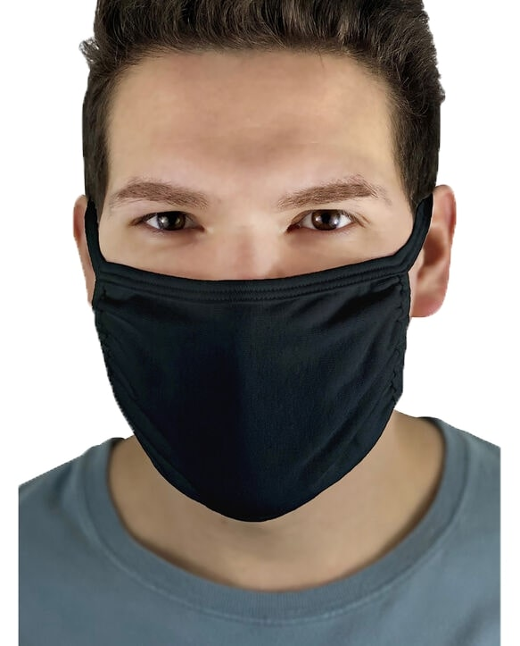
Sum of Quantity On Hand
 | L | Grand Total
NAVY | 100 | 100
WHITE | 5,265 | 5,265
GREY HTR | 18,016 | 18,016
Grand Total | 23,381 | 23,381

Y1
STYLE | Y1

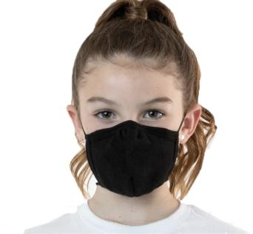
Sum of Quantity On Hand
 | M | Grand Total
BLACK | 19,046 | 19,046
NAVY | 10,669 | 10,669
WHITE | 8,337 | 8,337
GREY HTR | 20,002 | 20,002
Grand Total | 58,054 | 58,054

