SUMMARY
AS ON | 2022-06-29

STYLE # |  | CATEGORY | OZ | GSM | FLEECE HOODIES | TOTAL
ADULT
7.5
270
MID WEIGHT PROMO HOODIE
317
ADULT
7.5
260
MID WEIGHT CLASSIC HOODIE
717
767
ADULT
ADULT
9.3
9.3
315
315
MARLED PREMIUM HOODIE
MARLED VARSITY PREMIUM HOODIE
 |  |  |  |  |  | 265,927
 |  |  |  |  |  | 130,879
 |  |  |  |  |  | 24,983
869
 |  |  |  |  |  | 194
 |  |  |  |  |  | 421,983
STYLE # |  | CATEGORY | OZ | GSM | CREWNECK SWEATSHIRTS
ADULT
8.0
270
MID WEIGHT PROMO CREWNECK
303
ADULT
7.75
260
DELUXE CREWNECK SWEATSHIRTS
903
 |  |  |  |  |  | 32,248
 |  |  |  |  |  | 3,501
 |  |  |  |  |  | 35,749
STYLE # |  | CATEGORY | OZ | GSM | 1/4 ZIP JACKETS

945
ADULT
9.3
315
DELUXE 1/4 JACKETS
 |  |  |  |  |  | 2,779
 |  |  |  |  |  | 2,779
STYLE # |  | CATEGORY | OZ | GSM | ZIPPER JACKETS
ADULT
9.3
315
HEAVY WEIGHT DELUXE JACKET
750
870
ADULT
9.3
315
VARSITY MARLED JACKET
 |  |  |  |  |  | 1,422
 |  |  |  |  |  | 166
 |  |  |  |  |  | 1,588
STYLE # |  | CATEGORY | OZ | GSM | SWEATPANTS
ADULT
8.0
270
MID WEIGHT PROMO SWEATPANTS
314
724
ADULT
7.7
ADULT
9.3
260
315
MID WEIGHT CLASSIC JOGGER PANTS
MARLED SWEATPANTS
764
 |  |  |  |  |  | 10,902
 |  |  |  |  |  | 12,223
 |  |  |  |  |  | 10,948
 |  |  |  |  |  | 34,073
STYLE # |  | CATEGORY | OZ | GSM | FLEECE HOODIE/ SWEATPANTS
YOUTH
7.5
260
FASHION PULLOVER HOODIE
517
565
YOUTH
9.3
315
MARLED SWEATPANTS
 |  |  |  |  |  | 24,084
 |  |  |  |  |  | 2,611
 |  |  |  |  |  | 26,695
STYLE # |  | CATEGORY | OZ | GSM | T-SHIRTS

300
ADULT
4.5
150
S/S SIDE SEAMED COMBED TEE
400
LADIES
4.1
145
FITTED SOLID/ HTR CREW TEE
 |  |  |  |  |  | 336,160
 |  |  |  |  |  | 62,950
900
ADULT
4.1
140
L/S SOLID/ HTR TEE
 |  |  |  |  |  | 156,841
901
ADULT
5.0
170
BIG/ TALL TEES
 |  |  |  |  |  | 49,619
990
 |  |  |  |  |  | 12,500
 |  |  |  |  |  | 618,070
STYLE # |  | CATEGORY | OZ | GSM | FACE COVERS
ADULT
-
-
PLAIN FACE COVERS (2 LAYERS)
M1
ADULT
-
-
CENTRE STICHED FACE COVERS
M2
ADULT
-
-
PLAIN FACE COVERS (3 LAYERS)
M3
YOUTH
-
-
PLAIN FACE COVERS
 |  |  |  |  |  | 120,964
 |  |  |  |  |  | 17,179
 |  |  |  |  |  | 23,381
Y1
 |  |  |  |  |  | 58,054
 |  |  |  |  |  | 219,578

317
STYLE | 317

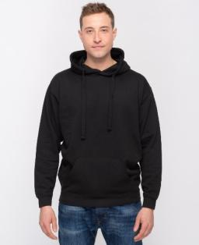
Sum of Quantity On Hand
 | XS | S | M | L | XL | 2XL | 3XL | Grand Total
BEIGE | 120 | - | 1,595 | 1,802 | 1,266 | 912 | 368 | 6,063
BLACK | 2,352 | 12,457 | 19,793 | 22,850 | 23,508 | 17,351 | 7,908 | 106,219
FOREST | - | 132 | 116 | - | - | - | - | 248
LIGHT BLUE | 59 | 852 | 860 | 1,193 | 971 | 579 | 212 | 4,726
LIGHT PINK | 40 | 391 | 629 | 564 | 369 | 562 | 414 | 2,969
LIMON | 60 | 702 | 648 | 1,280 | 895 | 311 | 124 | 4,020
MAROON | 320 | 2,317 | 3,112 | 4,097 | 2,787 | 1,699 | 756 | 15,088
MINT | - | 333 | 667 | 1,319 | 1,263 | 759 | 360 | 4,701
NATURAL | 280 | 1,069 | 1,930 | 2,569 | 1,827 | 734 | 368 | 8,777
NAVY | - | 2,485 | 3,676 | 5,126 | 5,382 | 3,909 | 1,958 | 22,536
RED | 224 | 1,424 | 2,665 | 1,857 | 921 | 713 | 258 | 8,062
ROYAL | 72 | 1,678 | 2,756 | 3,351 | 3,680 | 2,186 | 9,776 | 23,499
WHITE | 40 | 2,428 | 3,503 | 4,660 | 4,440 | 2,388 | 612 | 18,071
CHARCOAL HTR | 1,714 | 3,793 | 3,623 | 4,346 | 3,543 | 2,267 | 1,463 | 20,749
GREY HTR | 528 | 2,917 | 2,355 | 4,894 | 4,106 | 2,965 | 1,674 | 19,439
OATMEAL HTR | - | - | 80 | 480 | 200 | - | - | 760
Grand Total | 5,809 | 32,978 | 48,008 | 60,388 | 55,158 | 37,335 | 26,251 | 265,927

717
STYLE | 717

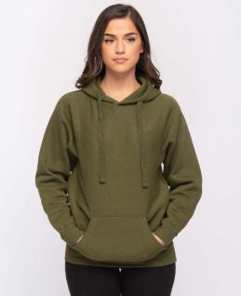
Sum of Quantity On Hand
 | XS | S | M | L | XL | 2XL | 3XL | 4XL | 5XL | Grand Total
BLACK | 378 | 1,422 | 1,870 | 2,943 | 1,324 | - | 1,010 | 400 | - | 9,347
FOREST | 166 | 502 | 786 | 432 | 738 | 369 | 265 | - | - | 3,258
GOLD | 40 | 587 | 1,139 | 1,950 | 1,349 | 600 | 228 | - | - | 5,893
LIGHT BLUE | 52 | 757 | 764 | 1,157 | 1,049 | 669 | 248 | - | - | 4,696
LIGHT PINK | 64 | - | - | 208 | 19 | - | 216 | - | - | 507
MAROON | - | 674 | 656 | 958 | 676 | 620 | 193 | - | - | 3,777
MILITARY GREEN | 161 | 402 | 380 | 440 | 14 | 102 | - | - | - | 1,499
MINT | 57 | 324 | 33 | 989 | 1,149 | 104 | 355 | - | - | 3,011
NATURAL | - | 380 | 380 | 698 | 480 | 140 | 40 | - | - | 2,118
NAVY | 14 | 1,299 | 83 | 3,678 | 2,490 | - | 1,779 | 473 | 283 | 10,099
ORANGE | 11 | 74 | 47 | - | 5 | 60 | 212 | - | - | 409
ORCHID | - | 480 | 560 | 700 | 420 | 260 | - | - | - | 2,420
PEACH | 188 | 494 | 853 | 1,619 | 1,123 | 904 | 335 | - | - | 5,516
PURPLE | 264 | 286 | 645 | 1,321 | 527 | 449 | 55 | 23 | - | 3,570
RED | 199 | 1,339 | 1,769 | 2,018 | 963 | 860 | 215 | - | - | 7,363
ROYAL | 65 | 687 | 974 | 1,122 | 554 | 54 | 323 | - | - | 3,779
SAGE | - | 380 | - | 399 | 680 | 240 | 120 | - | - | 1,819
SAND | 60 | 331 | 799 | 289 | 95 | 252 | 274 | - | - | 2,100
WHITE | 231 | 1,080 | 2,046 | 3,152 | 2,388 | 1,760 | 844 | - | - | 11,501
YELLOW | 48 | 539 | 996 | 1,685 | 865 | 506 | 232 | - | - | 4,871
CHARCOAL HTR | 251 | 925 | 1,856 | 1,278 | 541 | 55 | 241 | 260 | - | 5,407
GRAPHITE HTR | 100 | 399 | 300 | 79 | 75 | - | - | - | - | 953
GREEN HTR | 40 | 579 | 780 | 1,539 | 1,180 | 220 | 60 | - | - | 4,398
GREY HTR | 311 | 1,270 | 1,848 | 3,144 | 2,139 | 575 | - | 479 | 166 | 9,932
GUN METAL HTR | 15 | 837 | 739 | 1,449 | 1,231 | 316 | 241 | - | - | 4,828
MAROON HTR | 36 | 662 | 949 | 2,058 | 1,531 | 537 | 262 | - | - | 6,035
NAVY HTR | 49 | - | - | 580 | - | 76 | 33 | - | - | 738
OATMEAL HTR | 307 | 768 | 1,221 | 1,326 | 957 | 638 | 379 | - | - | 5,596
RED HTR | 131 | 320 | 716 | 1,391 | 538 | 479 | 197 | - | - | 3,772
ROYAL HTR | 46 | 266 | 31 | 223 | 434 | 452 | 215 | - | - | 1,667
Grand Total | 3,284 | 18,063 | 23,220 | 38,825 | 25,534 | 11,297 | 8,572 | 1,635 | 449 | 130,879

767
STYLE | 767

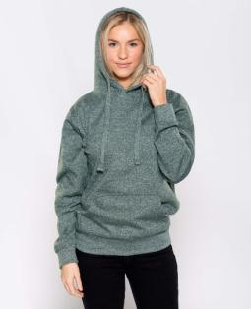
Sum of Quantity On Hand
 | XS | S | M | L | XL | 2XL | 3XL | 4XL | 5XL | Grand Total
MARLED BLACK | 42 | 147 | 179 | 167 | - | - | - | - | - | 535
MARLED CHARCOAL | 30 | 648 | 1,882 | 2,203 | 494 | 605 | 281 | - | - | 6,143
MARLED FOREST | 42 | 322 | 376 | 593 | 307 | 273 | 210 | 3 | 3 | 2,129
MARLED GRAPHITE | 13 | 398 | 414 | 836 | 597 | 111 | 337 | 4 | - | 2,710
MARLED MAROON | 49 | 166 | 503 | 705 | 635 | 118 | 109 | 19 | 26 | 2,330
MARLED NAVY | 349 | 513 | 461 | 846 | 544 | 313 | 210 | - | - | 3,236
MARLED PURPLE | 62 | 348 | 278 | 610 | 543 | 284 | 116 | 16 | 17 | 2,274
MARLED RED | 44 | 402 | 173 | 837 | 676 | 221 | 45 | - | - | 2,398
MARLED ROYAL | 42 | 232 | 567 | 873 | 788 | 561 | 165 | - | - | 3,228
Grand Total | 673 | 3,176 | 4,833 | 7,670 | 4,584 | 2,486 | 1,473 | 42 | 46 | 24,983

869
STYLE | 869

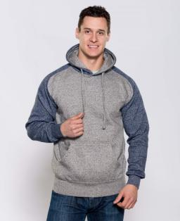
Sum of Quantity On Hand
 | XS | S | M | L | XL | 2XL | 3XL | Grand Total
CHARCOAL/ GRAPHITE HTR | - | 18 | 12 | 3 | - | - | 20 | 53
GRAPHITE/ CHARCOAL HTR | - | 6 | 15 | 32 | - | 7 | - | 60
GRAPHITE/ MAROON HTR | - | 16 | 4 | 10 | - | - | - | 30
GRAPHITE/ NAVY HTR | - | 16 | 16 | 12 | 1 | - | 6 | 51
Grand Total | - | 56 | 47 | 57 | 1 | 7 | 26 | 194

303
STYLE | 303

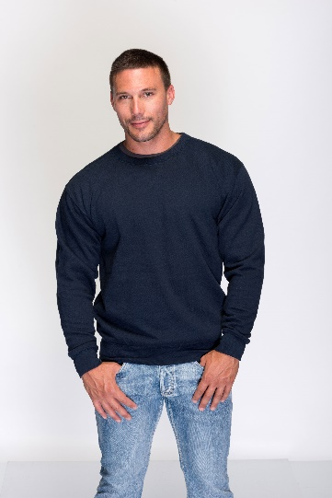
Sum of Quantity On Hand
 | XS | S | M | L | XL | 2XL | 3XL | Grand Total
BLACK | - | 1,275 | 2,914 | 4,145 | 3,673 | 2,304 | 992 | 15,303
NAVY | - | 338 | 665 | 1,074 | 1,060 | 701 | 370 | 4,208
CHARCOAL HTR | - | 477 | 718 | 1,175 | 1,068 | 690 | 353 | 4,481
GREY HTR | - | 621 | 1,196 | 1,793 | 1,996 | 1,288 | 642 | 7,536
GREY HTR - TB | - | 324 | - | 182 | 60 | - | 154 | 720
Grand Total | - | 3,035 | 5,493 | 8,369 | 7,857 | 4,983 | 2,511 | 32,248

903
STYLE | 903

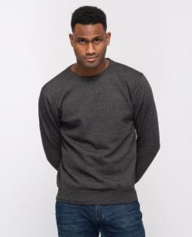
Sum of Quantity On Hand
 | XS | S | M | L | XL | 2XL | 3XL | Grand Total
BLACK | - | - | 900 | 140 | 140 | 460 | - | 1,640
FOREST | - | 80 | 100 | 40 | 20 | 1 | - | 241
LIGHT BLUE | - | - | 20 | - | 20 | 20 | - | 60
MINT | - | - | - | 120 | 20 | - | 60 | 200
NAVY | - | 62 | 186 | 134 | 283 | 20 | - | 685
PINK | - | - | - | - | 261 | - | - | 261
PURPLE | - | - | - | - | - | 60 | - | 60
RED | - | 4 | 4 | 8 | 5 | 4 | - | 25
CHARCOAL HTR | - | 8 | 12 | 4 | 3 | 2 | - | 29
GREY HTR | - | - | 4 | 8 | 8 | 4 | - | 24
OATMEAL HTR | - | 20 | - | 20 | - | 20 | - | 60
MARLED MAROON | - | 4 | 15 | 21 | 17 | 18 | 3 | 78
MARLED NAVY | - | 24 | 36 | 42 | 36 | - | - | 138
Grand Total | - | 202 | 1,277 | 537 | 813 | 609 | 63 | 3,501

945
STYLE | 945

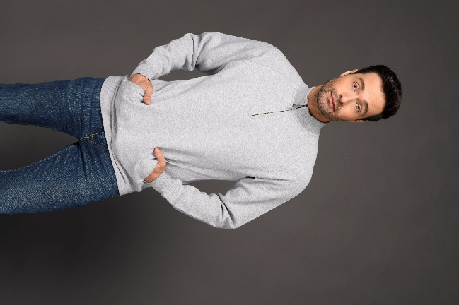
Sum of Quantity On Hand
 | XS | S | M | L | XL | 2XL | 3XL | Grand Total
BLACK | - | 21 | 67 | 81 | 283 | 132 | 131 | 715
NAVY | - | - | 35 | 190 | 36 | 84 | 72 | 417
CHARCOAL HTR | - | 10 | - | - | - | 90 | 172 | 272
GREY HTR | - | 48 | 28 | 142 | 158 | 193 | 127 | 696
MARLED CHARCOAL | - | - | 2 | 1 | 79 | 80 | 100 | 262
MARLED GRAPHITE | - | - | 80 | 99 | 100 | 58 | 80 | 417
Grand Total | - | 79 | 212 | 513 | 656 | 637 | 682 | 2,779

750
STYLE | 750

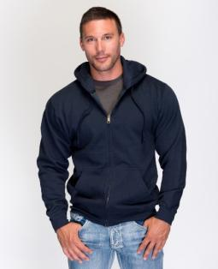
Sum of Quantity On Hand
 | XS | S | M | L | XL | 2XL | 3XL | Grand Total
NAVY | - | 18 | 72 | 56 | 77 | 16 | 2 | 241
CHARCOAL HTR | 3 | 37 | 1 | 138 | 14 | - | 17 | 210
GREY HTR | 48 | 5 | 107 | 253 | 495 | - | 63 | 971
Grand Total | 51 | 60 | 180 | 447 | 586 | 16 | 82 | 1,422

870
STYLE | 870

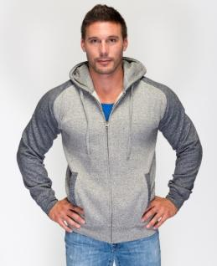
Sum of Quantity On Hand
 | XS | S | M | L | XL | 2XL | 3XL | Grand Total
CHARCOAL/ GRAPHITE HTR | - | 5 | 2 | - | - | 7 | - | 14
GRAPHITE/ CHARCOAL HTR | - | 1 | 1 | 39 | 5 | 106 | - | 152
Grand Total | - | 6 | 3 | 39 | 5 | 113 | - | 166

314
STYLE | 314

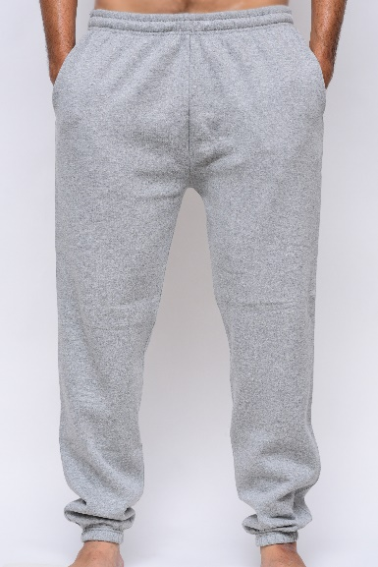
Sum of Quantity On Hand
 | XS | S | M | L | XL | 2XL | 3XL | Grand Total
BLACK | - | 740 | 1,177 | 1,806 | 1,187 | 623 | 318 | 5,851
NAVY | - | 202 | 271 | 733 | 514 | 477 | 110 | 2,307
CHARCOAL HTR | - | 541 | 71 | 461 | 161 | 8 | 133 | 1,375
GREY HTR | - | - | - | - | 165 | 914 | 290 | 1,369
Grand Total | - | 1,483 | 1,519 | 3,000 | 2,027 | 2,022 | 851 | 10,902

724
STYLE | 724

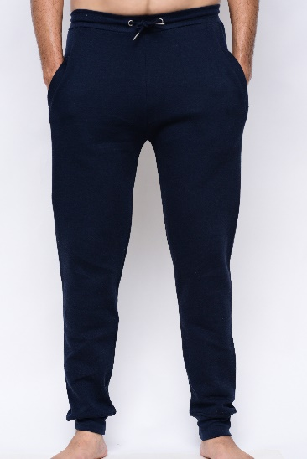
Sum of Quantity On Hand
 | XS | S | M | L | XL | 2XL | 3XL | Grand Total
BLACK | - | - | - | 979 | 895 | 477 | 455 | 2,806
NAVY | 28 | 255 | 474 | 1,060 | 865 | 346 | 176 | 3,204
WHITE | - | 200 | 318 | 398 | 380 | 20 | - | 1,316
CHARCOAL HTR | 90 | 237 | - | 161 | 317 | 310 | 220 | 1,335
GREY HTR | 277 | 50 | 180 | 881 | 969 | 809 | 396 | 3,562
Grand Total | 395 | 742 | 972 | 3,479 | 3,426 | 1,962 | 1,247 | 12,223

764
STYLE | 764

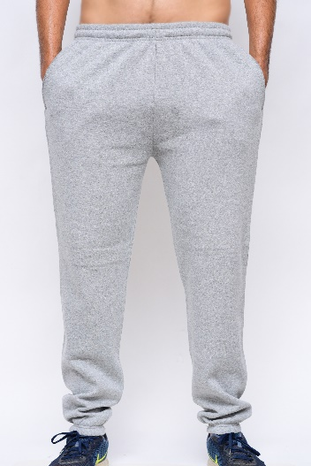
Sum of Quantity On Hand
 | XS | S | M | L | XL | 2XL | 3XL | Grand Total
MARLED CHARCOAL | 212 | 880 | 1,510 | 1,337 | 1,462 | 396 | 376 | 6,173
MARLED GRAPHITE | 20 | 928 | 1,133 | 1,593 | 951 | 150 | - | 4,775
Grand Total | 232 | 1,808 | 2,643 | 2,930 | 2,413 | 546 | 376 | 10,948

517
STYLE | 517

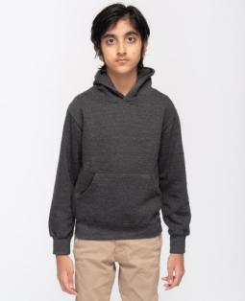
Sum of Quantity On Hand
 | S | M | L | XL | Grand Total
BLACK | 4 | 428 | 140 | 6 | 578
FOREST | - | 228 | 268 | - | 496
LIGHT BLUE | - | 3 | 8 | - | 11
LIGHT PINK | 262 | 720 | 740 | 311 | 2,033
MAROON | 5 | 22 | 142 | - | 169
MINT | 74 | 859 | 653 | 201 | 1,787
NAVY | 537 | 725 | 685 | 284 | 2,231
PEACH | 244 | 562 | 547 | 330 | 1,683
PINK | 35 | 117 | - | 10 | 162
PURPLE | 5 | 237 | 385 | - | 627
RED | 420 | 779 | 969 | 237 | 2,405
ROYAL | 361 | 1,356 | 1,360 | 472 | 3,549
WHITE | 659 | 1,378 | 1,318 | 668 | 4,023
YELLOW | 266 | 559 | 528 | 202 | 1,555
CHARCOAL HTR | 36 | 474 | 579 | 274 | 1,363
GREY HTR | - | 603 | 606 | 203 | 1,412
Grand Total | 2,908 | 9,050 | 8,928 | 3,198 | 24,084

565
STYLE | 565

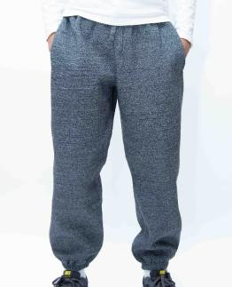
Sum of Quantity On Hand
 | S | M | L | XL | Grand Total
MARLED CHARCOAL | 238 | 398 | 688 | 240 | 1,564
MARLED GRAPHITE | 56 | 415 | 419 | 157 | 1,047
Grand Total | 294 | 813 | 1,107 | 397 | 2,611

300
STYLE | 300

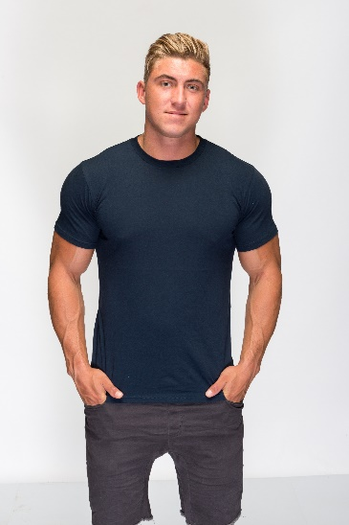
Sum of Quantity On Hand
 | XS | S | M | L | XL | 2XL | 3XL | Grand Total
BLACK | 385 | 5,021 | 14,844 | 23,123 | 18,266 | 10,201 | 4,716 | 76,556
LIGHT BLUE | - | 1,400 | 3,398 | 5,695 | 4,400 | 2,450 | 1,250 | 18,593
LIGHT PINK | - | 528 | 173 | 1,761 | 1,822 | 2,224 | 1,038 | 7,546
MAROON | 150 | 2,900 | 3,149 | 4,295 | 2,443 | 2,999 | 1,400 | 17,336
MINT | 50 | 1,647 | 3,605 | 3,544 | 3,683 | 3,098 | 1,520 | 17,147
NATURAL | - | 650 | 347 | 782 | 49 | 150 | 800 | 2,778
NAVY | 100 | 2,921 | 6,413 | 8,038 | 5,272 | 4,626 | 1,769 | 29,139
OLIVE | - | 402 | 801 | 1,750 | 1,247 | 897 | 399 | 5,496
PURPLE | - | 493 | 674 | 1,436 | 2,042 | 1,372 | 420 | 6,437
RED | - | 3,007 | 5,217 | 6,830 | 3,557 | 3,807 | 1,836 | 24,254
ROYAL | - | 1,754 | 2,806 | 3,367 | 3,581 | 2,228 | 1,614 | 15,350
WHITE | - | 3,597 | 7,539 | 12,121 | 10,042 | 8,099 | 3,706 | 45,104
CHARCOAL HTR | 200 | 2,247 | 3,796 | 5,782 | 2,975 | 2,099 | 1,026 | 18,125
GRAPHITE HTR | - | - | 280 | 717 | 324 | 192 | - | 1,513
GREY HTR | - | 2,971 | 3,699 | 7,493 | 5,885 | 3,132 | 1,290 | 24,470
MAROON HTR | - | 621 | 1,566 | 751 | 369 | 1,016 | - | 4,323
NAVY HTR | 50 | 1,557 | 1,190 | 2,510 | 248 | 964 | 163 | 6,682
RED HTR | - | 45 | 832 | 1,064 | 2,624 | 129 | 700 | 5,394
ROYAL HTR | - | 1,725 | 2,237 | 2,618 | 1,454 | 1,141 | 742 | 9,917
Grand Total | 935 | 33,486 | 62,566 | 93,677 | 70,283 | 50,824 | 24,389 | 336,160

400
STYLE | 400

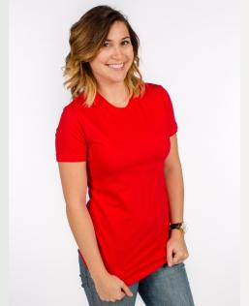
Sum of Quantity On Hand
 | XS | S | M | L | XL | 2XL | 3XL | Grand Total
BLACK | 118 | 73 | 71 | - | - | - | - | 262
CHARCOAL | 66 | 3 | - | - | 37 | 2 | 154 | 262
HOT PINK | 66 | - | - | - | - | 360 | - | 426
KELLY GREEN | 23 | 8 | 671 | 725 | - | 87 | 98 | 1,612
NAVY | 5 | - | - | 10 | - | - | 114 | 129
RED | - | - | - | - | - | - | 23 | 23
ROYAL | 321 | - | - | - | - | 104 | 119 | 544
TURQUOISE | - | - | - | - | 376 | - | - | 376
WHITE | - | 59 | 127 | - | 57 | 1,304 | - | 1,547
CHARCOAL HTR | 550 | - | 158 | - | 9 | 1,517 | 750 | 2,984
GREY HTR | 32 | - | 1 | - | - | 197 | 70 | 300
KELLY HTR | 186 | 296 | - | - | 35 | - | 190 | 707
NAVY HTR | 1 | - | 3 | 488 | 22 | 30 | 37 | 581
PURPLE HTR | - | 23 | - | - | - | - | - | 23
RED HTR | 54 | 4,399 | 12,908 | 11,152 | 4,312 | 1,499 | 172 | 34,496
ROYAL HTR | - | 3,345 | 2,812 | 3,419 | 1,821 | - | 182 | 11,579
TURQUOISE HTR | 59 | 1,679 | 2,199 | 858 | 743 | 206 | 19 | 5,763
LIGHT BLUE - 480 | - | - | 17 | - | - | 2 | - | 19
GREY HTR - 480 | 6 | - | 117 | 11 | 5 | 8 | - | 147
NAVY - 480 | 223 | - | 254 | 379 | 222 | - | - | 1,078
WHITE - 480 | 65 | 21 | - | - | 6 | - | - | 92
Grand Total | 1,775 | 9,906 | 19,338 | 17,042 | 7,645 | 5,316 | 1,928 | 62,950

900
STYLE | 900

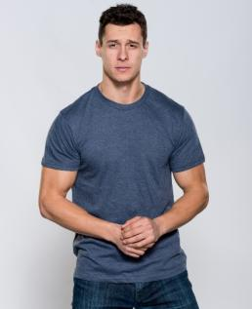
Sum of Quantity On Hand
 | XS | S | M | L | XL | 2XL | 3XL | Grand Total
BLACK | - | 5,544 | 3,477 | 11,489 | 8,506 | 4,985 | 5,944 | 39,945
NAVY | - | - | 8 | 3,263 | - | 707 | 544 | 4,522
RED | - | - | - | 5 | - | 2,246 | 572 | 2,823
WHITE | 45 | 2,190 | 9,153 | 22,741 | 17,637 | 11,689 | 4,912 | 68,367
CHARCOAL HTR | 101 | 806 | 4,427 | 8,820 | 724 | 3,480 | 2,202 | 20,560
GRAPHITE HTR | - | - | 51 | - | 50 | - | 2 | 103
GREY HTR | 178 | 2,952 | 3,738 | 3,703 | 2,768 | - | 2,172 | 15,511
KELLY HTR | 50 | 126 | 97 | 11 | 13 | 79 | - | 376
LIGHT BLUE HTR | - | - | - | - | - | 96 | - | 96
MAROON HTR | - | 20 | 18 | 14 | 17 | 105 | - | 174
NAVY HTR | 535 | 512 | - | - | 713 | 469 | 2,091 | 4,320
RED HTR | - | - | - | - | - | 44 | - | 44
Grand Total | 909 | 12,150 | 20,969 | 50,046 | 30,428 | 23,900 | 18,439 | 156,841

901
STYLE | 901

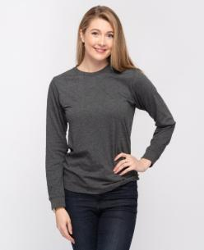
Sum of Quantity On Hand
 | XS | S | M | L | XL | 2XL | 3XL | Grand Total
BLACK | 100 | - | 4,629 | 8,908 | 64 | 2,227 | 820 | 16,748
NAVY | - | 42 | 105 | 48 | - | - | 25 | 220
RED | - | - | - | 196 | 240 | - | - | 436
ROYAL | - | 514 | 240 | 331 | 279 | 145 | 187 | 1,696
WHITE | - | 2,804 | 3,637 | 6,599 | 3,937 | 2,418 | 484 | 19,879
BURGUNDY HTR | - | - | - | 6 | 6 | - | - | 12
CHARCOAL HTR | - | - | - | - | 516 | 3,212 | 1,477 | 5,205
GREY HTR | 50 | 16 | - | 418 | - | 67 | 176 | 727
NAVY HTR | - | - | - | - | 12 | 1,009 | 176 | 1,197
RED HTR | - | - | 90 | - | - | 1 | - | 91
RED HTR NEW | - | 143 | 191 | 35 | 2 | 115 | 12 | 498
ROYAL HTR | - | - | - | - | 742 | 1,429 | 416 | 2,587
ROYAL HTR DARK | - | 71 | 142 | 58 | - | 3 | 49 | 323
Grand Total | 150 | 3,590 | 9,034 | 16,599 | 5,798 | 10,626 | 3,822 | 49,619

M1
STYLE | M1

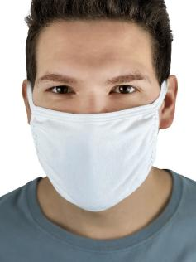
Sum of Quantity On Hand
 | L | Grand Total
BLACK | 10,350 | 10,350
NAVY | 27,958 | 27,958
WHITE | 27,265 | 27,265
GREY HTR | 55,391 | 55,391
Grand Total | 120,964 | 120,964

M2
STYLE | M2

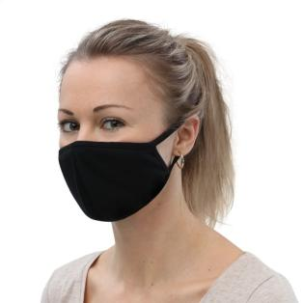
Sum of Quantity On Hand
 | L | Grand Total
WHITE | 8,759 | 8,759
GREY HTR | 8,420 | 8,420
Grand Total | 17,179 | 17,179

M3
STYLE | M3

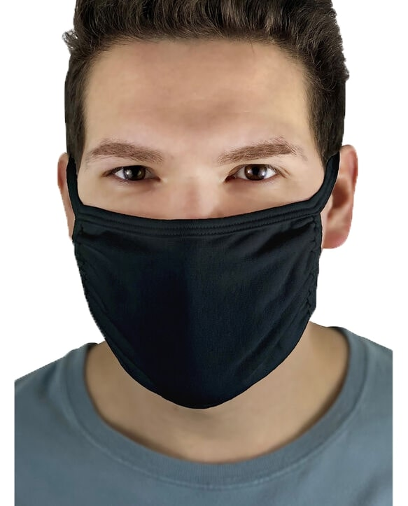
Sum of Quantity On Hand
 | L | Grand Total
NAVY | 100 | 100
WHITE | 5,265 | 5,265
GREY HTR | 18,016 | 18,016
Grand Total | 23,381 | 23,381

Y1
STYLE | Y1

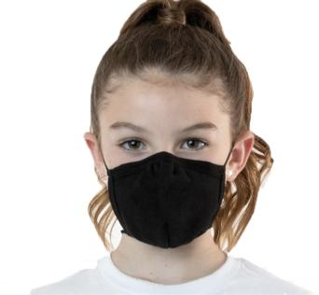
Sum of Quantity On Hand
 | M | Grand Total
BLACK | 19,046 | 19,046
NAVY | 10,669 | 10,669
WHITE | 8,337 | 8,337
GREY HTR | 20,002 | 20,002
Grand Total | 58,054 | 58,054

